CABLING
Cabling Guidance

DIRECTIONS: | Please use the information below when attaching cables to the solution server(s)

COMMENTS: | Customer will run all cabling
 | Copper CAT5e or CAT6 patch cabling is supported for the non-fiber interfaces and Dell iDRAC
 | 1 Gbps connection requested for all ETH interfaces
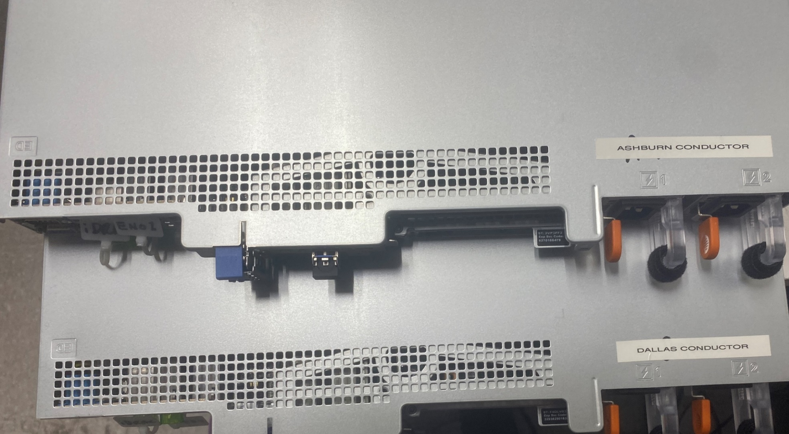

iDRAC Interface
SIP Network Interface
Management & Application Interface ENO1
1 + 1 Dual Redundant Power Supplies

NETWORKING
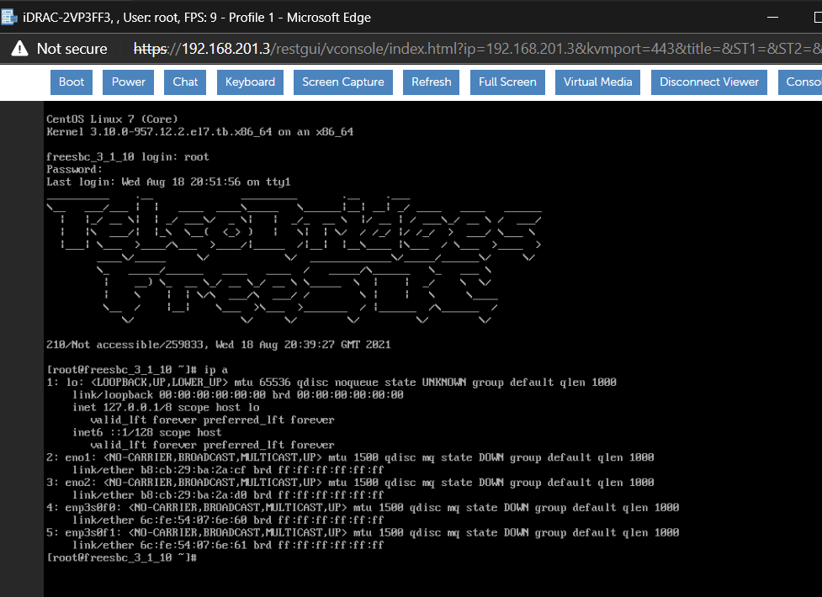
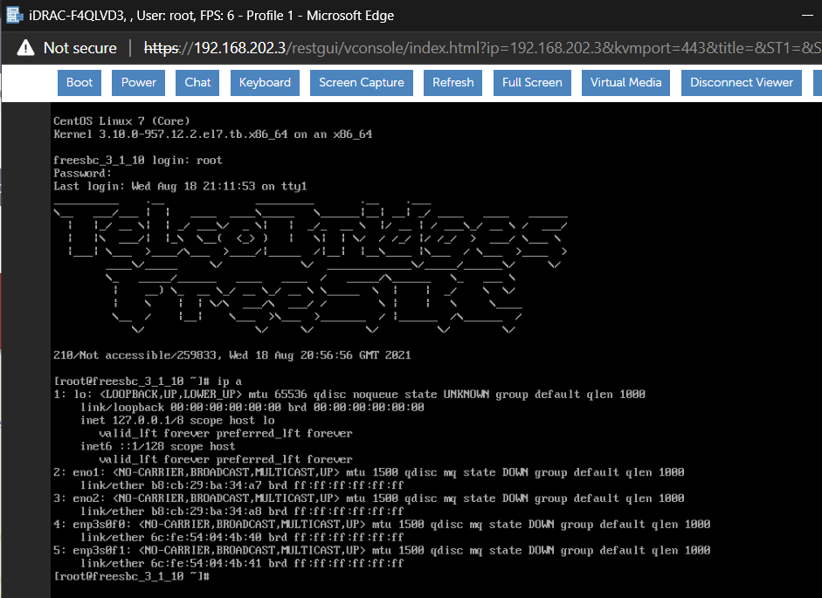
IP Addressing and Network Interface Requirements
DIRECTIONS: | Customer Provided Information |  | Customer, please fill in all applicable cells highlighted in Orange below.
 | SecureLogix Provided Information |  | Blue cells will be filled in by SecureLogix.

COMMENTS: | Customer is responsible for providing all installation materials as well as configuring all network infrastructure components to support communications described in this document
 | iDRAC = integrated Dell Remote Access Controller. It has a dedicated interface and is functions independently of the operating system.
 | The application and management interface IP should be in a separate network space than the voice connection (SIP signaling flow)

 | "mgmt0_en01 (or ETH0) - Application and Management" is the interface the solution applications will use to communicate. This includes Orchestra One requests, client connections, and alerting. It is also used for administrative functions to the server.
 | "voip0_nap (or ETH1) - Voice Connection" is the SIP trunk interface to Conductor appliance. As requested, this is a fiber interface that is to support "LR single mode".
 |  |  | 10G LR single mode support was requested
 | "iDRAC\iLo" is the interface for the Dell iDRAC card included on all PolicyGuru Servers. This connection is required in order to exercise the hardware warranty on the server and is the out-of-band management interface for the server. It does not need to be accessible outside of the Customer's network.

SPECIAL NOTE: | The iDRAC must be configured with an internally accessible IP address and cabled to the network in order to take advantage of the hardware warranty. SecureLogix does not require remote access to the iDRAC. Troubleshooting may be conducted remotely via WebEx or similar session.

0
SERVER | HOSTNAME | IP ADDRESS | GATEWAY | SUBNET MASK | VLAN | CONNECTED TO SWITCH ID | SWITCH PORT | SERVER INTERFACE (physical or virtual) | CONNECTION | MAC ADDRESS
Conductor Server |  |  |  |  |  |  |  | mgmt0_en01 - Application and Management (should be in separate VLAN\network space than VoIP voice network connections) | Copper - 1 Gbps/Full Duplex
 |  |  |  |  |  |  |  | voip0_nap - Connection to voice network (SIP signaling only) | Fiber - 10 Gbps/Full Duplex |  | 10G LR single mode support was requested (see comments above)
 |  |  |  |  |  |  |  | iDRAC/iLo | Copper - 100/1000 Mbps Full Duplex

0
SERVER | HOSTNAME | IP ADDRESS | GATEWAY | SUBNET MASK | VLAN | CONNECTED TO SWITCH ID | SWITCH PORT | SERVER INTERFACE (physical or virtual) | CONNECTION | MAC ADDRESS
Conductor Server |  |  |  |  |  |  |  | mgmt0_en01 - Application and Management (should be in separate VLAN\network space than VoIP voice network connections) | Copper - 1 Gbps/Full Duplex
 |  |  |  |  |  |  |  | voip0_nap - Connection to voice network (SIP signaling only) | Fiber - 10 Gbps/Full Duplex |  | 10G LR single mode support was requested (see comments above)
 |  |  |  |  |  |  |  | iDRAC/iLo | Copper - 100/1000 Mbps Full Duplex

